Calculator
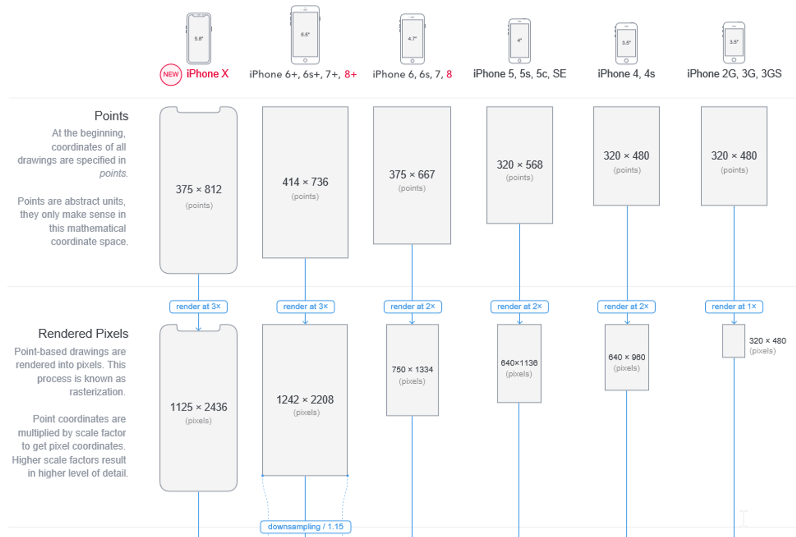 |  |  |  |  |  |  | 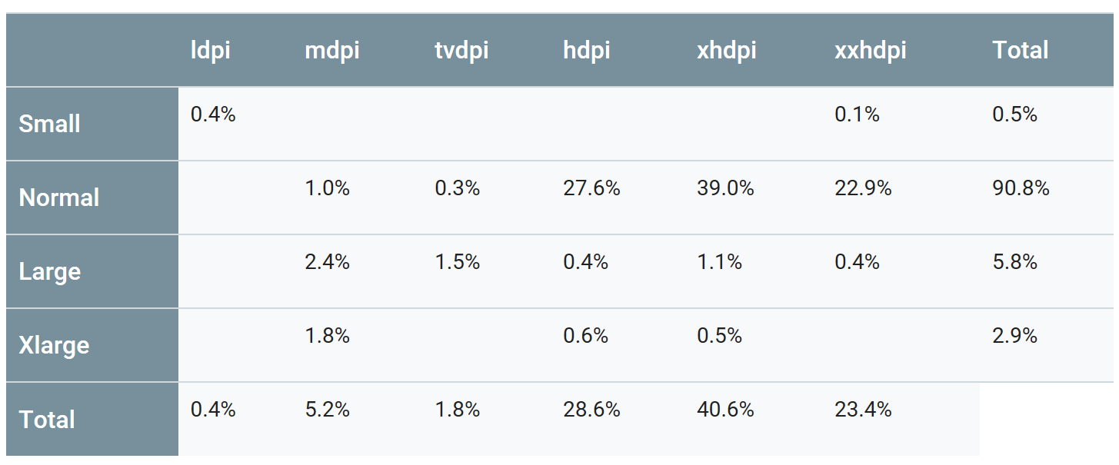 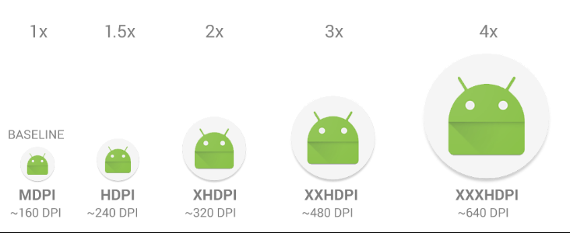
https://www.paintcodeapp.com/news/ultimate-guide-to-iphone-resolutions |  |  |  |  |  |  | https://developer.android.com/training/multiscreen/screendensities

 | Pixel | DPI |  | 4, 4S |  | Legacy |  | Android
iOS PD | 1 | 163 |  | 5, 5s, 5c, SE | 6+, 6s+, 7+, 8+ | Molto usato
Android DP | 1 | 160 | 2G, 3G, 3GS | 6, 6s, 7, 8 | iPhone X | Poco usato

From Apple DP |  | DPI | 163 | 326 | 489 |  | DPI | 120 | 160 | 240 | 320 | 480 | 640

Asset |  | DP | Pixel | Pixel@2x | Pixel@3x | Asset | DP | LDPI | MDPI | HDPI | XHDPI | XXHDPI | XXXHDPI
Width |  | 24 | 24 | 48 | 72 | Width | 23.56 | - | - | - | - | - | -
Height |  | 24 | 24 | 48 | 72 | Height | 23.56 | - | - | - | - | - | -

From Android DP |  | DPI | 163 | 326 | 489 |  | DPI | 120 | 160 | 240 | 320 | 480 | 640

Asset |  | DP | Pixel | Pixel@2x | Pixel@3x | Asset | DP | LDPI | MDPI | HDPI | XHDPI | XXHDPI | XXXHDPI
Width |  | 24.45 | 24 | 49 | 73 | Width | 24 | - | - | - | - | - | -
Height |  | 24.45 | 24 | 49 | 73 | Height | 24 | - | - | - | - | - | -

From XXXHDPI |  | DPI | 163 | 326 | 489 |  | DPI | 120 | 160 | 240 | 320 | 480 | 640

Asset |  | DP | Pixel | Pixel@2x | Pixel@3x | Asset | DP | LDPI | MDPI | HDPI | XHDPI | XXHDPI | XXXHDPI
Width |  | 326.00 | 326 | 652 | 978 | Width | 320.00 | - | - | - | - | - | 1,280
Height |  | 489.00 | 489 | 978 | 1,467 | Height | 480.00 | - | - | - | - | - | 1,920

